2_Portfolio
PORTFOLIO RECOMENDADO - 12 ACCIONES

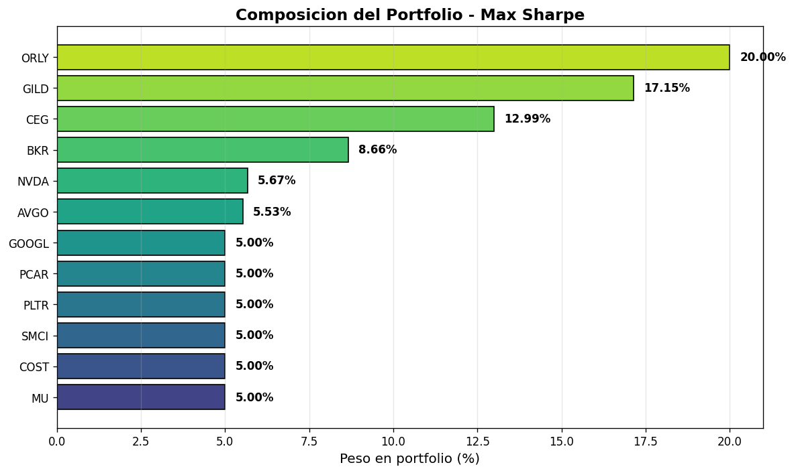
ticker | name | sector | weight_max_sharpe_pct | usd_max_sharpe | weight_min_var_pct | usd_min_var
ORLY | O'Reilly Automotive, Inc. | Consumer Cyclical | 20 | 2000 | 20 | 2000
GILD | Gilead Sciences, Inc. | Healthcare | 17.15 | 1715.42 | 20 | 2000
CEG | Constellation Energy Corporatio | Utilities | 12.99 | 1298.85 | 5 | 500
BKR | Baker Hughes Company | Energy | 8.66 | 865.77 | 5 | 500
NVDA | NVIDIA Corporation | Technology | 5.67 | 566.81 | 5 | 500
AVGO | Broadcom Inc. | Technology | 5.53 | 553.15 | 5 | 500
MU | Micron Technology, Inc. | Technology | 5 | 500 | 5 | 500
COST | Costco Wholesale Corporation | Consumer Defensive | 5 | 500 | 13.75 | 1375.45
PLTR | Palantir Technologies Inc. | Technology | 5 | 500 | 5 | 500
SMCI | Super Micro Computer, Inc. | Technology | 5 | 500 | 5 | 500
GOOGL | Alphabet Inc. | Communication Services | 5 | 500 | 5 | 500
PCAR | PACCAR Inc. | Industrials | 5 | 500 | 6.25 | 624.55

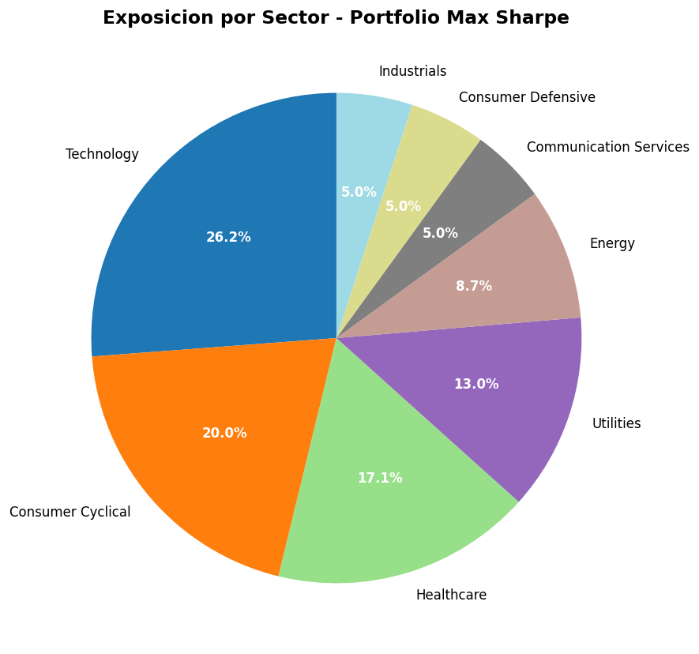

5_Correlaciones
MATRIZ DE CORRELACIONES - 12 ACCIONES PORTFOLIO

 | NVDA | AVGO | CEG | MU | COST | SMCI | BKR | PLTR | ORLY | GOOGL | PCAR | GILD
NVDA | 1 | 0.639 | 0.382 | 0.577 | 0.349 | 0.464 | 0.209 | 0.489 | 0.121 | 0.524 | 0.274 | 0.018
AVGO | 0.639 | 1 | 0.414 | 0.588 | 0.327 | 0.405 | 0.231 | 0.401 | 0.098 | 0.455 | 0.3 | 0.092
CEG | 0.382 | 0.414 | 1 | 0.357 | 0.24 | 0.282 | 0.276 | 0.285 | 0.066 | 0.273 | 0.202 | 0.011
MU | 0.577 | 0.588 | 0.357 | 1 | 0.254 | 0.369 | 0.243 | 0.35 | 0.069 | 0.432 | 0.355 | 0.113
COST | 0.349 | 0.327 | 0.24 | 0.254 | 1 | 0.182 | 0.137 | 0.27 | 0.392 | 0.342 | 0.253 | 0.192
SMCI | 0.464 | 0.405 | 0.282 | 0.369 | 0.182 | 1 | 0.128 | 0.287 | 0.033 | 0.232 | 0.201 | 0.039
BKR | 0.209 | 0.231 | 0.276 | 0.243 | 0.137 | 0.128 | 1 | 0.182 | 0.13 | 0.208 | 0.342 | 0.121
PLTR | 0.489 | 0.401 | 0.285 | 0.35 | 0.27 | 0.287 | 0.182 | 1 | 0.102 | 0.393 | 0.21 | 0.044
ORLY | 0.121 | 0.098 | 0.066 | 0.069 | 0.392 | 0.033 | 0.13 | 0.102 | 1 | 0.154 | 0.271 | 0.247
GOOGL | 0.524 | 0.455 | 0.273 | 0.432 | 0.342 | 0.232 | 0.208 | 0.393 | 0.154 | 1 | 0.277 | 0.128
PCAR | 0.274 | 0.3 | 0.202 | 0.355 | 0.253 | 0.201 | 0.342 | 0.21 | 0.271 | 0.277 | 1 | 0.254
GILD | 0.018 | 0.092 | 0.011 | 0.113 | 0.192 | 0.039 | 0.121 | 0.044 | 0.247 | 0.128 | 0.254 | 1

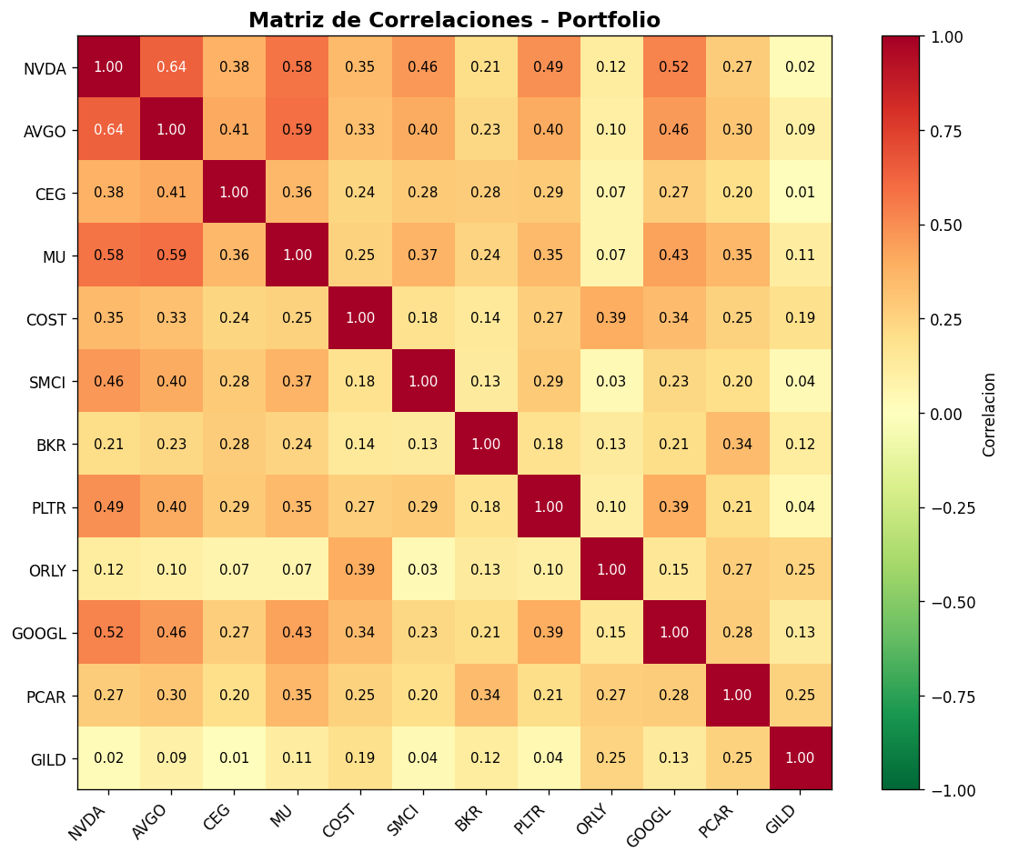

7_Frontera_Eficiente
FRONTERA EFICIENTE - 50 PUNTOS

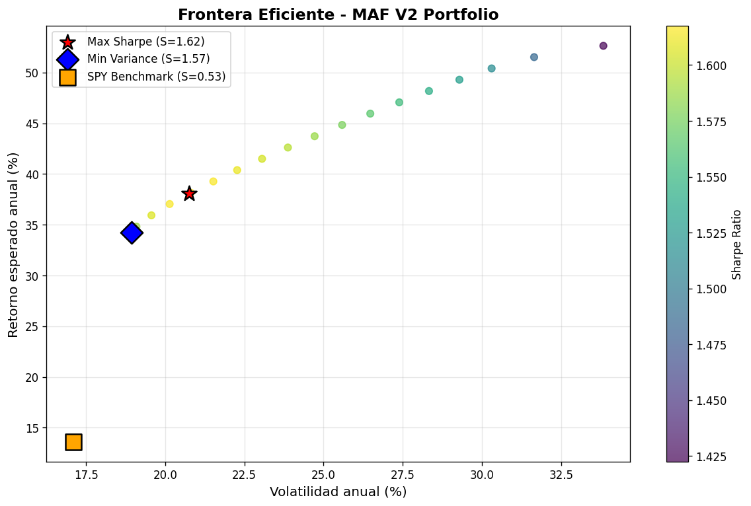
return | volatility | sharpe
0.3481 | 0.1909 | 1.5877
0.3592 | 0.1956 | 1.6062
0.3704 | 0.2014 | 1.6156
0.3815 | 0.208 | 1.6175
0.3926 | 0.2152 | 1.6155
0.4038 | 0.2227 | 1.611
0.4149 | 0.2306 | 1.6043
0.4261 | 0.2387 | 1.5961
0.4372 | 0.2472 | 1.5867
0.4483 | 0.2558 | 1.5764
0.4595 | 0.2647 | 1.5655
0.4706 | 0.2739 | 1.5538
0.4817 | 0.2833 | 1.5417
0.4929 | 0.2929 | 1.5292
0.504 | 0.3031 | 1.5146
0.5151 | 0.3165 | 1.4855
0.5263 | 0.3383 | 1.4224

8_Backtest_Historico
BACKTEST HISTORICO - PORTFOLIO vs SPY (5 ANIOS)

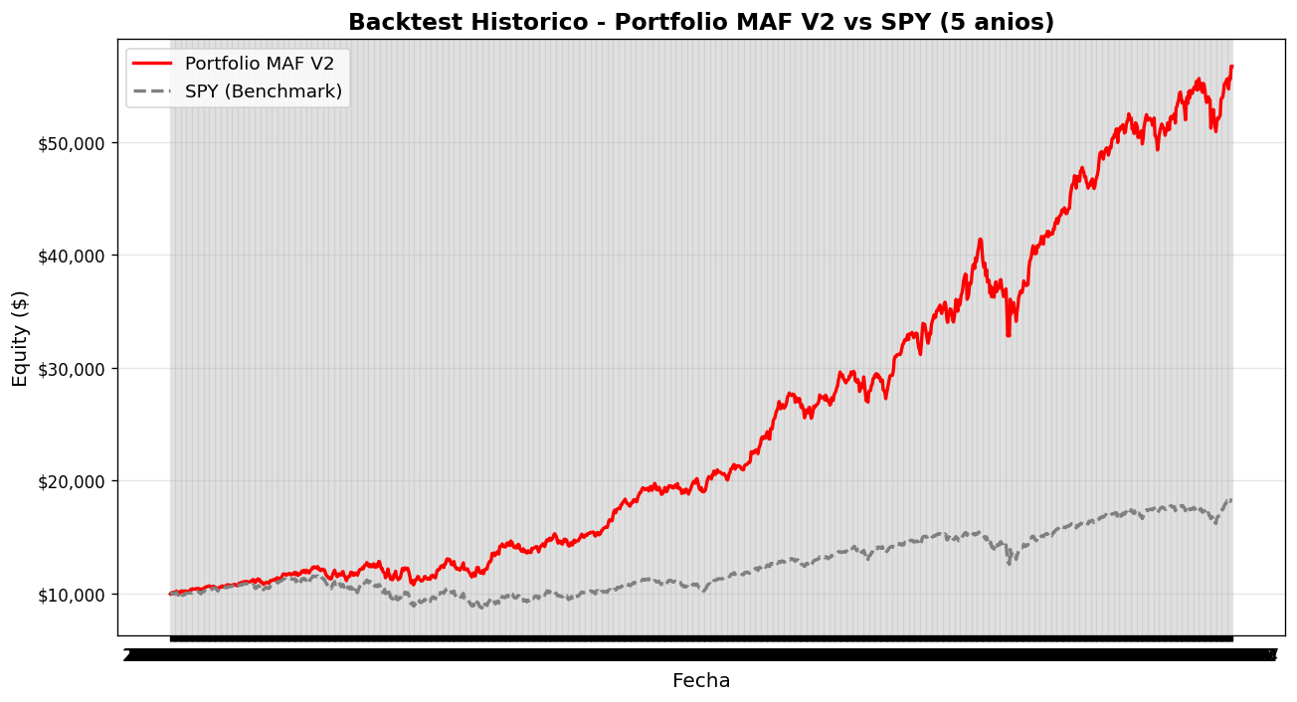
date | portfolio_equity | spy_equity
2021-04-28 | 9968.26 | 9997.13
2021-06-10 | 10407.3 | 10145.86
2021-07-23 | 10647.46 | 10571.45
2021-09-03 | 11085.43 | 10887.2
2021-10-18 | 11151.63 | 10780.09
2021-11-30 | 11670.47 | 10981.86
2022-01-12 | 12160.31 | 11394.44
2022-02-25 | 11500.89 | 10589.6
2022-04-08 | 12633.02 | 10860.79
2022-05-23 | 11306.51 | 9631.71
2022-07-07 | 11500.39 | 9480.06
2022-08-18 | 13013.61 | 10428.09
2022-09-30 | 11550.93 | 8740.57
2022-11-11 | 14213.15 | 9751.96
2022-12-27 | 13717.44 | 9376.12
2023-02-09 | 14763.05 | 10007.67
2023-03-24 | 14652.57 | 9766.03
2023-05-08 | 15571.2 | 10185.29
2023-06-21 | 17958.23 | 10773
2023-08-03 | 19341.43 | 11117.29
2023-09-15 | 19314.78 | 11020.54
2023-10-27 | 19002.05 | 10207.98
2023-12-11 | 20627.62 | 11483.36
2024-01-25 | 22647.38 | 12179.8
2024-03-08 | 26545.71 | 12771.03
2024-04-22 | 25814.09 | 12510.3
2024-06-04 | 26787.64 | 13228.04
2024-07-18 | 28807.62 | 13880.27
2024-08-29 | 28814.82 | 14023.17
2024-10-11 | 32675.78 | 14601.02
2024-11-22 | 34132.11 | 15002.34
2025-01-08 | 35003.67 | 14900.66
2025-02-24 | 39229.49 | 15095.8
2025-04-07 | 33169.73 | 12787.67
2025-05-20 | 40700.78 | 15030.67
2025-07-03 | 43395.91 | 15901.27
2025-08-15 | 46876.19 | 16361.52
2025-09-29 | 49568.59 | 16922.97
2025-11-10 | 51692.35 | 17375.83
2025-12-23 | 51333.26 | 17593.92
2026-02-06 | 53705.89 | 17661.94
2026-03-23 | 52156.67 | 16806.49

9_Graficos_Resumen
GRAFICOS RESUMEN

Riesgo vs Retorno - Universo NASDAQ-100

